Trofeo Calvià
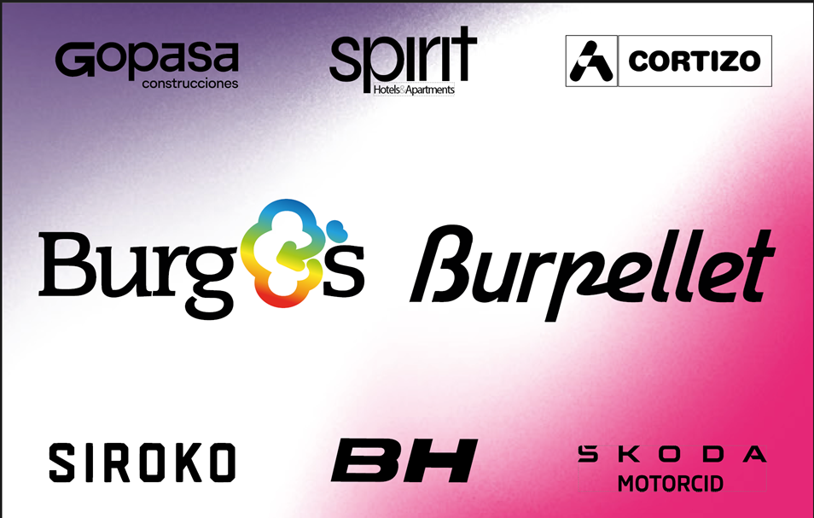

 |  |  | Trofeo Calvià 1.1

EDICION2026, Fecha:2026-01-28

Edición 2025
Nombre | kms | Media | altitud | Distancia a Meta
Coll des Tords | 0 | 0 | 0 | 138
Coll den Claret | 5.2 | 4.6 | 501 | 112
Coll de Sóller | 7.7 | 5.6 | 499 | 80
Coll den Claret | 10.2 | 3.3 | 501 | 54
Coll de sa Gramola | 3.4 | 4.5 | 357 | 24

0.8 km solo | Participacion:(291, 291) | Desnivel: 3119m | 149.6km | 41.797km/h

rank | rider_name | time | team_name | specialties | team_name | uci_points
1 | Christen Jan | 3:34:45 | UAE Team Emirates - XRG | one_day_races:808, climber:514 | UAE Team Emirates - XRG | 198
2 | Scaroni Christian | 3:34:51 | XDS Astana Team | one_day_races:1392, climber:1004 | XDS Astana Team | 120
3 | Morgado António | 3:34:51 | UAE Team Emirates - XRG | one_day_races:898, hills:357 | Red Bull - BORA - hansgrohe | 80
4 | Wandahl Frederik | 3:34:51 | Red Bull - BORA - hansgrohe | one_day_races:5345, hills:2490 | Tudor Pro Cycling Team | 50
5 | Hirschi Marc | 3:35:00 | Tudor Pro Cycling Team | hills:511, one_day_races:439 | Movistar Team | 40
6 | Barrenetxea Jon | 3:35:02 | Movistar Team | one_day_races:2110, hills:1625 | Cofidis | 30
7 | Velasco Simone | 3:35:02 | XDS Astana Team | one_day_races:2594, hills:2590 | Equipo Kern Pharma | 28
8 | Aranburu Alex | 3:35:02 | Cofidis | one_day_races:441, hills:348 | Intermarché - Wanty | 18
9 | Galván Francisco | 3:35:02 | Equipo Kern Pharma | one_day_races:1156, hills:854 | Uno-X Mobility | 10
10 | Adrià Roger | 3:35:02 | Red Bull - BORA - hansgrohe |  | Unibet Tietema Rockets | 8
 |  |  |  |  | Q36.5 Pro Cycling Team | 5
rank | rider_name | time | uci_points | breakaway_kms | Burgos Burpellet BH | 5
14 | Fagúndez Eric Antonio | 3:35:02 | 5 | 0 | Team TotalEnergies | 3
33 | Chumil Sergio Geovani | 3:35:02 | 0 | 0 | Caja Rural - Seguros RGA | 3
35 | García Pierna Carlos | 3:35:02 | 0 | 0 | Euskaltel - Euskadi | 3
61 | Fernández Sinuhé | 3:43:38 | 0 | 0 | Lotto | 3
96 | de la Calle Hugo | 3:47:31 | 0 | 0 | Petrolike | 3
 | Cavia Daniel | 3:56:20 | 0 | 0 | VF Group - Bardiani CSF - Faizanè | 3
 | Kudus Merhawi | 3:56:20 | 0 | 0 | EF Education - EasyPost | 0
 |  |  |  |  | Arkéa - B&B Hotels | 0
 |  |  |  |  | Anicolor / Tien 21 | 0
 |  |  |  |  | Illes Balears Arabay | 0
 |  |  |  |  | Project Echelon Racing | 0
 |  |  |  |  | Team Flanders - Baloise | 0
 |  |  |  |  | XSpeed United Continental | 0

Edición 2024
Nombre | kms | Media | altitud | Distancia a Meta
Coll des Tords | 7.9 | 2.6 | 280 | 138
Coll den Claret | 5.2 | 4.7 | 502 | 113
Coll de Sóller | 7.5 | 4.4 | 498 | 86
Coll den Bleda | 4 | 5.2 | 227 | 73
Coll de sa Gramola | 3.8 | 4.2 | 359 | 24

Sprint à deux | Participacion:(292, 292) | Desnivel: 3153m | 150.1km | 39.365km/h

rank | rider_name | time | team_name | specialties | team_name | uci_points
1 | Carr Simon | 3:48:47 | EF Education - EasyPost | climber:454, one_day_races:363 | EF Education - EasyPost | 215
2 | Vlasov Aleksandr | 3:48:47 | BORA - hansgrohe | climber:4104, gc:3732 | BORA - hansgrohe | 85
3 | McNulty Brandon | 3:49:14 | UAE Team Emirates | gc:2888, time_trial:2391 | UAE Team Emirates | 80
4 | Aranburu Alex | 3:50:19 | Movistar Team | one_day_races:2594, hills:2590 | Movistar Team | 75
5 | Bettiol Alberto | 3:50:20 | EF Education - EasyPost | one_day_races:2639, hills:2315 | Tudor Pro Cycling Team | 38
6 | Costa Rui | 3:50:50 | EF Education - EasyPost | gc:6239, climber:5656 | Intermarché - Wanty | 36
7 | Mayrhofer Marius | 3:50:50 | Tudor Pro Cycling Team | hills:635, one_day_races:599 | Arkéa - B&B Hotels | 25
8 | Page Hugo | 3:50:50 | Intermarché - Wanty | one_day_races:665, hills:654 | Soudal Quick-Step | 20
9 | Albanese Vincenzo | 3:50:50 | Arkéa - B&B Hotels | hills:1577, one_day_races:1438 | VF Group - Bardiani CSF - Faizanè | 15
10 | Van Wilder Ilan | 3:50:50 | Soudal Quick-Step | gc:1743, climber:1397 | Team Polti Kometa | 6
 |  |  |  |  | Equipo Kern Pharma | 3
rank | rider_name | time | uci_points | breakaway_kms | Euskaltel - Euskadi | 3
58 | Okamika Ander | 4:01:43 | 0 | 0 | Uno-X Mobility | 3
60 | Fernández Sinuhé | 4:01:43 | 0 | 0 | Caja Rural - Seguros RGA | 3
91 | Alleno Clément | 4:04:30 | 0 | 0 | Lotto Dstny | 3
123 | Álvarez Rodrigo | 4:08:26 | 0 | 0 | Cofidis | 0
126 | Díaz José Manuel | 4:08:27 | 0 | 0 | Burgos - BH | 0
 | Delgado David | 4:11:02 | 0 | 0 | Illes Balears Arabay Cycling | 0
 | Langellotti Victor | 4:11:02 | 0 | 0 | Lidl - Trek Future Racing | 0
 |  |  |  |  | REMBE Pro Cycling Team Sauerland | 0
 |  |  |  |  | Project Echelon Racing | 0
 |  |  |  |  | Team Storck - Metropol Cycling | 0
 |  |  |  |  | Team Flanders - Baloise | 0

Edición 2023

Sprint of small group | Participacion:(300, 300) | Desnivel: 3154m | 150.1km | 37.593km/h

rank | rider_name | time | team_name | specialties | team_name | uci_points
1 | Costa Rui | 3:59:34 | Intermarché - Circus - Wanty | gc:6239, climber:5656 | Soudal Quick-Step | 190
2 | Vervaeke Louis | 3:59:34 | Soudal Quick-Step | gc:574, climber:495 | Intermarché - Circus - Wanty | 166
3 | Healy Ben | 3:59:35 | EF Education - EasyPost | one_day_races:1474, climber:1424 | EF Education - EasyPost | 80
4 | Pedersen Casper | 3:59:37 | Soudal Quick-Step | one_day_races:591, gc:477 | Cofidis | 50
5 | Zingle Axel | 3:59:37 | Cofidis | one_day_races:1700, hills:1027 | Euskaltel - Euskadi | 43
6 | Canal Carlos | 3:59:37 | Euskaltel - Euskadi | hills:616, one_day_races:520 | BORA - hansgrohe | 30
7 | Goossens Kobe | 3:59:37 | Intermarché - Circus - Wanty | one_day_races:416, gc:349 | Lotto Dstny | 18
8 | Zwiehoff Ben | 3:59:37 | BORA - hansgrohe | gc:755, climber:302 | Movistar Team | 10
9 | Alaphilippe Julian | 3:59:43 | Soudal Quick-Step | one_day_races:6977, climber:5577 | Green Project - Bardiani CSF - Faizanè | 5
10 | Bagioli Andrea | 3:59:43 | Soudal Quick-Step | one_day_races:1599, hills:1230 | Burgos - BH | 3
 |  |  |  |  | Caja Rural - Seguros RGA | 3
rank | rider_name | time | uci_points | breakaway_kms | Equipo Kern Pharma | 3
25 | Díaz José Manuel | 4:01:59 | 3 | 0 | EOLO-Kometa | 3
29 | Sánchez Pelayo | 4:01:59 | 0 | 0 | UAE Team Emirates | 3
74 | Ezquerra Jesús | 4:11:50 | 0 | 0 | Team Arkéa Samsic | 3
80 | Navarro Daniel | 4:11:50 | 0 | 0 | Electro Hiper Europa | 0
 | Pelegrí Óscar | 4:11:50 | 0 | 0 | Human Powered Health | 0
 | Franco Alejandro | 4:11:50 | 0 | 0 | Israel - Premier Tech | 0
 | Langellotti Victor | 4:11:50 | 0 | 0 | Project Echelon Racing | 0
 |  |  |  |  | Spain | 0
 |  |  |  |  | Team Flanders - Baloise | 0

Edición 2022

60 km solo | Participacion:(300, 295) | Desnivel: 3211m | 154.7km | 39.063km/h

rank | rider_name | time | team_name | specialties | team_name | uci_points
1 | McNulty Brandon | 3:57:37 | UAE Team Emirates | gc:2888, time_trial:2391 | UAE Team Emirates | 213
2 | Suter Joel | 3:58:54 | UAE Team Emirates | time_trial:339, hills:160 | EOLO-Kometa | 70
3 | Albanese Vincenzo | 3:58:54 | EOLO-Kometa | hills:1577, one_day_races:1438 | Lotto Soudal | 68
4 | Wellens Tim | 3:58:54 | Lotto Soudal | gc:4493, one_day_races:4170 | Israel - Premier Tech | 53
5 | Clarke Simon | 3:58:54 | Israel - Premier Tech | one_day_races:2453, hills:1709 | BORA - hansgrohe | 45
6 | Valverde Alejandro | 3:58:54 | Movistar Team | climber:17476, gc:13732 | Movistar Team | 43
7 | Goossens Kobe | 3:58:54 | Intermarché - Wanty - Gobert Matériaux | one_day_races:416, gc:349 | Team Arkéa Samsic | 43
8 | Owsian Łukasz | 3:58:54 | Team Arkéa Samsic | gc:609, one_day_races:371 | Intermarché - Wanty - Gobert Matériaux | 38
9 | Buchmann Emanuel | 3:58:54 | BORA - hansgrohe | gc:3324, climber:2964 | Team BikeExchange - Jayco | 15
10 | Zwiehoff Ben | 3:58:54 | BORA - hansgrohe | gc:755, climber:302 | AG2R Citroën Team | 8
 |  |  |  |  | Equipo Kern Pharma | 5
rank | rider_name | time | uci_points | breakaway_kms | Bardiani-CSF-Faizanè | 3
24 | Moreno Adrià | 4:00:32 | 3 | 0 | Burgos - BH | 3
42 | Madrazo Ángel | 4:06:43 | 0 | 0 | Cofidis | 3
73 | Ezquerra Jesús | 4:09:47 | 0 | 0 | Drone Hopper - Androni Giocattoli | 0
74 | Sánchez Pelayo | 4:09:47 | 0 | 0 | BEAT Cycling | 0
94 | Rubio Diego | 4:09:47 | 0 | 0 | Caja Rural - Seguros RGA | 0
95 | Okamika Ander | 4:09:47 | 0 | 0 | Manuela Fundación Continental | 0
104 | Domingues André | 4:09:47 | 0 | 0 | Java Kiwi Atlántico | 0
 |  |  |  |  | Electro Hiper Europa - Caldas | 0
 |  |  |  |  | Euskaltel - Euskadi | 0
 |  |  |  |  | Sport Vlaanderen - Baloise | 0
 |  |  |  |  | Minerva Cycling | 0
 |  |  |  |  | Trek - Segafredo | 0
 |  |  |  |  | Work Service Vitalcare Vega | 0

Edición 2021
Nombre | kms | Media | altitud | Distancia a Meta
Coll de Galilea | 5.1 | 5.6 | 411 | 157
Coll de Galilea | 5.1 | 5.6 | 411 | 123
Coll des Grau | 4.1 | 6 | 463 | 114
Coll de Sollér | 6.1 | 4.9 | 497 | 86
Coll den Bleda | 4 | 5.2 | 228 | 72
Coll den Claret | 2.9 | 4.7 | 500 | 53

Sprint à deux | Participacion:(125, 125) | Desnivel: 3473m | 168.7km | 38.772km/h

rank | rider_name | time | team_name | specialties | team_name | uci_points
1 | Gibbons Ryan | 4:21:04 | UAE Team Emirates | hills:1014, one_day_races:931 | UAE Team Emirates | 165
2 | Delaplace Anthony | 4:21:04 | Team Arkéa Samsic | one_day_races:1262, gc:962 | Team Arkéa Samsic | 123
3 | Herregodts Rune | 4:21:45 | Sport Vlaanderen - Baloise | time_trial:523, one_day_races:411 | Sport Vlaanderen - Baloise | 80
4 | Lietaer Eliot | 4:21:48 | B&B Hotels p/b KTM | gc:657, one_day_races:350 | B&B Hotels p/b KTM | 66
5 | López Jordi | 4:21:48 | Equipo Kern Pharma | gc:260, hills:191 | Equipo Kern Pharma | 50
6 | Bystrøm Sven Erik | 4:21:48 | UAE Team Emirates | gc:829, one_day_races:823 | Euskaltel - Euskadi | 35
7 | Lobato Juan José | 4:21:48 | Euskaltel - Euskadi | one_day_races:1342, sprint:1204 | Intermarché - Wanty - Gobert Matériaux | 28
8 | Ledanois Kévin | 4:21:48 | Team Arkéa Samsic | one_day_races:445, gc:256 | Burgos - BH | 20
9 | Lammertink Maurits | 4:21:48 | Intermarché - Wanty - Gobert Matériaux | one_day_races:813, gc:718 | Team Qhubeka ASSOS | 15
10 | Smit Willie | 4:21:48 | Burgos - BH | gc:301, one_day_races:276 | Gazprom - RusVelo | 8
 |  |  |  |  | Rally Cycling | 6
rank | rider_name | time | uci_points | breakaway_kms | Israel Start-Up Nation | 5
10 | Smit Willie | 4:21:48 | 20 | 0 | Bardiani-CSF-Faizanè | 3
30 | Okamika Ander | 4:21:48 | 0 | 0 | Leopard Pro Cycling | 3
47 | Ezquerra Jesús | 4:24:37 | 0 | 0 | Caja Rural - Seguros RGA | 3
61 | Cantón Isaac | 4:35:49 | 0 | 0 | Dauner D&DQ-Akkon | 0
 | Langellotti Victor | 4:36:21 | 0 | 0 | Cofidis | 0
 | Rubio Diego | 4:36:21 | 0 | 0 | BIKE AID | 0
 | Sánchez Pelayo | 4:36:21 | 0 | 0 | Electro Hiper Europa | 0
 |  |  |  |  | Gios | 0
 |  |  |  |  | Movistar Team | 0
 |  |  |  |  | Maloja Pushbikers | 0
 |  |  |  |  | Swiss Cycling | 0

